Sheet 1
The AI Scenario
AI Maturity Model

The AI Scenario
Currently, Ministry of Defence has initiated “India AI Mission” that aims to catalyze the AI innovation system in the country and to help ensure the global competitiveness of India's AI start-ups and industry.
Towards achieving this, all DPSUs / Organizations must change how they think, act and learn in order to take full advantage of AI and make steady progress from one AI maturity level to the next. The five dimensions presented in this tool represent the critical organizational areas where management practices, operations and infrastructure need to evolve to get the most out of AI.
Each of these dimensions must mature individually as well as together,to successfully increase an organization’s overall AI maturity level, ization’s overall AI maturity level. By improving capabilities in less mature dimensions, leaders can accelerate their overall organizational maturity and ensure the success of their AI projects
AI Assessment model / framework has been developed by BEL for the benefit of DPSUs / Organizations, based on direction from MoD. Any feedback on the framework can be communicated to belainodal@bel.co.in)
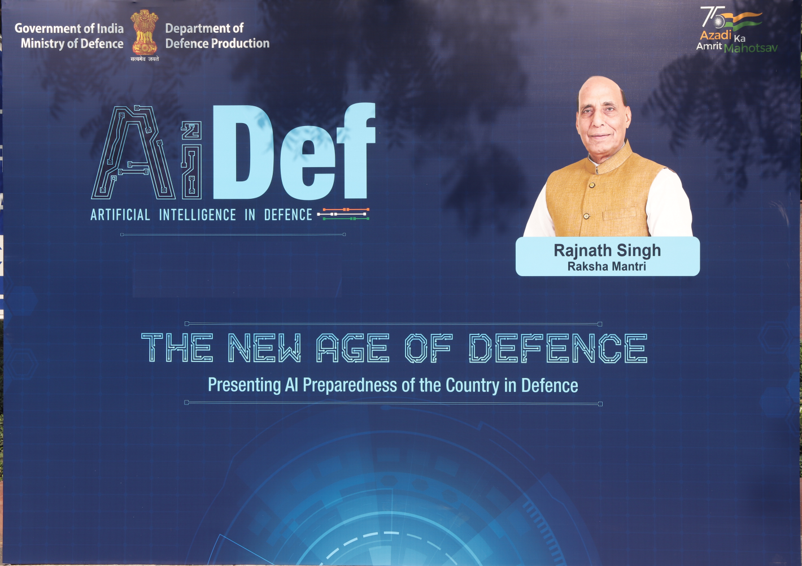

Copyright © 2024 Bharat Electronics Limited

Sheet 2
The AI Scenario
AI Maturity Model

Brief & Instructions
What is AI Maturity?
Assessment
Results

Brief & Instructions
The tool will enable to assess the current level of AI maturity across Defence Public Sector Units (DPSUs) / Organizations.This assessment is the first step toward adopting an overall AI strategy that aligns with organizational needs and business context, so the organizations can develop a solid action plan to reach the level of maturity required.


Go Ahead ..
Please enter the name of the organization here:
Bharat Electronics Limited

1. Introduction - What is AI Maturity?
This AI Maturity Model is designed to help orgganizations /government leaders to identify and prioritize AI actions that would drive impact. The AI Maturity Model examines six key dimensions that must be developed to advance AI capabilities holistically across five maturity stages to realize target value.

2. Assessment Questions
To gain an understanding of the current AI capabilities within the organization, few key strategic questions are defined across the six key dimensions of the AI Maturity Model. All dimensions are configured with default weightages (derived from industry research and experience).

3. Understand and Share the Results
The defined key steps will help the organisations to advance respective AI agenda and monitor the progress throughout time.
Furthermore, it is requested to share the results with the BEL AI Nodal authority (belainodal@bel.co.in) to help towards consolidating the different AI maturity levels across the DPSUs and achieve our goal of becoming one of the leading agencies in AI adoption.

Copyright © 2024 Bharat Electronics Limited

Sheet 3
The AI Scenario
AI Maturity Model

Brief & Instructions
What is AI Maturity?
Assessment
Results

Understand the AI Maturity...
AI maturity measures the degree to which organizations have mastered AI-related capabilities in the right combination to deliver on their mandate and serve their contituents effectively.


Key Capabilities

Vision & Strategy - Develop the AI vision and strategy aligned with the overarching strategy as well as a plan of action for achieving the target value and level of AI maturity

Use Cases - Define the portfolio of value-driven AI use cases to deliver on the AI strategy, then pilot to prove the value and scale and govern accordingly
"AI maturity comes by mastering a set of key capabilities in the right combination —not only in data and AI, but also in vision, strategy, talent and culture."
Data - Enable access to high quality data from different sources and large volumes required for training the AI use cases

IT Infrastructure - Provide the computing infrastructure and tools required to ingest and process data and deliver and manage AI models

People - Establish the AI organization to drive the AI strategy under top leadership sponsorship and develop the needed skills at different levels of proficiency

Governance - Set the right model to govern the AI strategy involving different stakeholders and partners and ensure responsible AI practices

Copyright © 2024 Bharat Electronics Limited

Sheet 4
The AI Scenario
AI Maturity Model

Brief & Instructions
What is AI Maturity?
Assessment
Results

AI Maturity Assessment Questionnaire
Please answer the below set of questions (by double-clicking the selection) to help assess your Organizations' AI maturity:

Capability 2 - Use Cases
Capability 1 - Strategy & Vision

d. | Q1 | How important is artificial intelligence (AI) to your Organization entity currently? | e. | Q2 | How is AI budgeted in your Orgainization? |  | Q3 | What is the current level of AI adoption in your organization?
 | a. | As a cutting-edge topic, we have not started our journey into AI yet |  | a. | AI budget is negligible. Funds are available for ad-hoc training and small-scope Proofs of Concept (POC) |  | a. | We are just learning about AI and are not sure how it would work in our organization entity
 | b. | We are early adopters of AI, but can not judge on the need for an AI strategy |  | b. | We have multiple POCs that are funded, additional funds are granted exceptionally to the AI teams for research and experimentation |  | b. | We have just begun training and developing AI models through POCs
 | c. | We have defined an Organizational Level AI strategy, and some departments have begun aligning their goals with it |  | c. | AI projects are funded across a variety of topics and ongoing investments are made in experimentation and POCs, including the development of software, platforms, infrastructure, and AI skills |  | c. | We are moving from AI POCs to Minimal Viable Products (MVPs)
 | d. | We have begun the implementation of our AI strategy, which has been widely integrated across most departments and has the support of the top leadership |  | d. | We have a dedicated budget structure for AI, along with a detailed plan for the short and long term |  | d. | We have deployed mutiple MVPs in production and working on scaling and maintaining them
 | e. | AI is seamlessly integrated into the overall strategy of the Organization |  | e. | We no longer have separate AI initiatives or budgets: the integration of functional areas and AI, along with their corresponding budgets and indicators, is seamless |  | e. | We have successfully integrated AI-based products into customer operations or services
Capability 3 - Data
 | Q4 | Are you using any industrialized methodoly for AI use case development? | a. | Q5 | Do you have access to all the data you need to experiment with AI? | e. | Q6 | Is the data you intend to use in your AI models of good quality?
 | a. | We have not identified any AI use cases yet |  | a. | We have challenges in accessing the data needed for our AI initiatives |  | a. | We do not know how good the quality of our data is since no data quality measures or processes are defined
 | b. | The few Proof of Concepts (POCs) are profiled and described ad-hoc, without any standardization |  | b. | We have limited access to data to begin building our POCs and it takes us time to collect it |  | b. | We perform ad-hoc data quality activities in our data
 | c. | While not yet implemented, we have defined a systematic way of defining minimal attributes of an AI use case such as the problem statement, stakeholders involved and beneficiaries |  | c. | Essential data is avilable and accessible to build AI models |  | c. | We have begun to standardize data quality across the entity and work on improving it
 | d. | Our use case definition approach is being expanded to include details such as the data sourcing plan, the target solution architecture, and the operation plan |  | d. | Our data is documented in a data catalog, making it easy to identify and access to build our AI algorithms |  | d. | We have standard data quality practices guided by a data quality program, including frameworks, processes and guidelines, with regular monitoring and improvement
 | e. | We have developed a unique standard procedure to profile and detail all AI use cases consistently across the organization |  | e. | We make our data accessible across the entire entity in a proactive and efficient manner |  | e. | We are actively evolving our data quaility efforts, supported by automated infrastructure and tools
Capability 4 - IT Infrastructure
Capability 5 - People
 | Q7 | What platforms and tools are available to you for designing and deploying your AI algorithms? | a. | Q8 | What type of computing infrastructure do you have available for AI development and operations? | e. | Q9 | Has your entity established AI roles and responsibilities?
 | a. | We do not have the tools to develop AI |  | a. | We do not know what computing infrastructure is available for AI |  | a. | We have not dedicated AI roles and responsabilities
 | b. | We have limited access to artificial intelligence technologies, but plan to invest in this area in the future |  | b. | We rely on our desktops to explore with AI locally |  | b. | We are starting to recruit AI specialists and defining the different roles and responsabilities
 | c. | We have a set of industrialized AI tools to implement AI models |  | c. | We rely on a sandbox environment to test out some AI applications |  | c. | We have established an AI organization with defined roles and responsibilities, but it is currently understaffed
 | d. | We are deploying an AI platform to deploy the AI models and provide easy access to AI |  | d. | We have dedicated servers for AI that optimize performance and resource allocation |  | d. | Our AI organization structure has been properly sized and formalized, and its responsibilities have been clearly defined
 | e. | We have a scalable and centralized AI platform integrated across the entire entity to deploy AI models and streamline data access from ingestion to consumption |  | e. | Our infrastructure is optimized by AI to predict fluctuations in workload and scale resources automatically |  | e. | AI is an integral part of our organization, sponsored by top leadership and driven by AI champions
Capability 6 - Governance
 | Q10 | How is your entity developing AI knowledge and upskilling AI capabilities? | b. | Q11 | What degree of governance has been established to enable AI? | d. | Q12 | Is your organization taking any activities to ensure that AI is ethical and responsible? (no bias, no violation of privacy, etc.)
 | a. | We have not included AI in our learning program |  | a. | We have no structure yet to govern AI |  | a. | We are beginning to educate ourselves about responsible AI and AI ethics
 | b. | We provide ad-hoc training to some of our employees who have demonstrated an interest in AI |  | b. | We are discussing the concepts associated with establishing a governance structure |  | b. | We are providing high-level guidance on ethical and AI usage
 | c. | Some roles are required to complete specific training courses in order to improve their AI capabilities |  | c. | We are developing an AI Governance model across the entity in line with the different deparments and control functions |  | c. | We have developed AI ethical principles and policies
 | d. | Our AI organization has outlined a comprehensive learning path for all its roles |  | d. | We have defined the roles and responsibilities for every board and committee, and we are planning to conduct an extensive monitoring of the various AI initiatives |  | d. | We are committed to enabling and executing ethical AI practices through the use of dedicated tools and operational metrics
 | e. | The development of AI literacy is an key component of our capacity building program, and all employees of the company have access to AI training courses |  | e. | The AI governance structure has been successfully implemented across the organization, with working committees established and clear accountabilities across different stakeholders |  | e. | Our AI ethics practices are an integral part of our entity

b. | Q13 | Have you established dedicated AI partnerships to advance your AI agenda?
 | a. | We have not identified any AI partnerships
 | b. | We have initiated the process to identify AI partnerships, but we have not formalized any
 | c. | We have formalized at least one AI partnership
 | d. | We have a solid partnership network and we are expanding it across the government and industries
 | e. | We have expanded our AI partnership network to the academia to become a leader in AI and advance related R&D
Copyright © 2024 Bharat Electronics Limited

Sheet 5
The AI Scenario
AI Maturity Model

Brief & Instructions
What is AI Maturity?
Assessment
Results
EXPORT RESULTS

Explorer
Experimenter
Practitioner
Professional
Transformer
Assessment
Recommendation
Date:
02/04/2026
PRINT REPORT
AI Strategy
 | AI Strategy
 | -2
There is a dedicated AI strategy in place, however, its visibility remains moderate
Name of DPSU / Organization:

AI Budget
 | 0 | -3
Bharat Electronics Limited

Use Case Development
 | 0 | -2
Use cases are identified across major functional areas and at least few prototypes are developed
Use Case Methodology
 | 0 | -3
60.0%
is the aggregated score of the AI Mautirty Model

Data Accessability & Discoverability
Data availability for AI is advancing with institutionalized data management people, processes, and infrastructure
 | 0 | -2
 | AVERAGE
 | 3.00
Explorer
Experimenter
Practitioner
Professional
Transformer
Data Quality
 | 0 | -2

There are industrialized AI tools implemented across the organization, supported by data infrastructure
Refer this chart further
AI Platfrom
 | 0 | -3
 | Sum of Score ASIS
Vision & Strategy | 2.5
Use Cases | 2.5
Data | 3
IT Infrastructure | 3
People | 4
Governance | 3
Computing Infrastrcuture
 | 0 | -1

A clearly defined AI organization is in place, with specific training paths for each position to enhance the capabilities
AI Organization
 | 0 | -1
AI Talent Develpment
 | 0 | -1

AI Governance
 | 0 | -2
An AI governance model is activated. Partnerships are identified, yet not activated
AI Responsability & Compliance
 | 0 | -2

AI Parnerships
 | -2

Copyright © 2024 Bharat Electronics Limited

